BW Income Statement
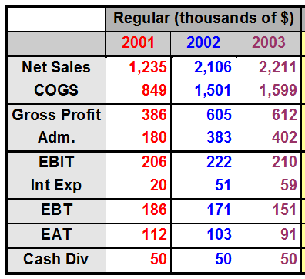
 | Basket Wondors'
Comparative Income Statement

BW Balance sheet
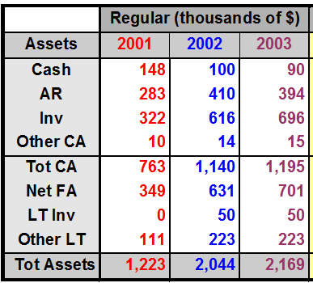
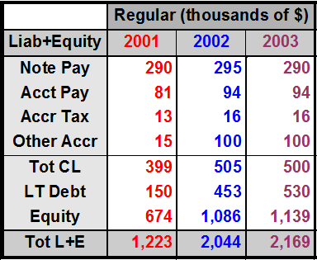
 |  | Basket Wondors'
 | Comparative Balance Sheet
Assets |  |  | Liability and Owner's Equity

Activity Ratios
4. Activity Ratios
$$\frac{Annual Net Credit Sale}{Receivables}$$
$$\frac{Days in the year}{Receivable Turnover}$$
$$\frac{365}{Receivable Turnover}$$
1 | Receivables Turnover = |  |  |  |  |  | Average Collection Period (ACP) = |  |  |  | =
 |  |  |  |  |  |  | or Receivables Turnover in days
 |  | Annual net credit sale | Receivables | RT ratio
 | 2001 | $1,235.00 | $283.00 | 4.36 |  |  |  | 2001 | 84
 | 2002 | $2,106.00 | $410.00 | 5.14 |  |  |  | 2002 | 71
 | 2003 | $2,211.00 | $394.00 | 5.61 |  |  |  | 2003 | 65

$$\frac{Annual Net Credit Purchases}{Accounts Payable}$$
$$\frac{Days in the year}{Payables Turnover}$$
$$\frac{365}{Payables Turnover}$$
2 | Payable Turnover = |  |  |  |  |  | Payable Turnover in days = |  |  |  | =

 |  | Credit purchase | Accounts payables | PT |  |  |  | days in a year | PT | PT in days
 |  | $1,551.00 | $94.00 | 16.5 |  |  |  | 365 | 16.5 | 22

$$\frac{Cost of Goods Sold}{Inventory}$$
3 | Inventory Turnover =

 |  | Years | COGS | Inventory | Inventory Turnover
 |  | 2001 | $849.00 | $322.00 | 2.64
 |  | 2002 | $1,501.00 | $616.00 | 2.44
 |  | 2003 | $1,599.00 | $696.00 | 2.30

$$\frac{Net Sale}{Total Assets}$$
4
 | Total Assets Turnover =

 |  |  | Years | Net sale | Total Assets | Total Assets Turnover
 |  |  | 2001 | $1,235.00 | $1,223.00 | 1.01
 |  |  | 2002 | $2,106.00 | $2,044.00 | 1.03
 |  |  | 2003 | $2,211.00 | $2,169.00 | 1.02

